Sheet1
Project Name : Health HUub defect report
Created by : Prajakta Ingale
Creation Date : 21/12/2024
Approved by : Masai
Approved Date : 23/12/2024


Testing type | Bug ID | Bug Description | Steps to Reproduce | Expected Result | Actual Result | Priority | Severity | Assigned by | Screenshot

Functional testing | BUG_001 | Search the link:/ | 1.Open the link | There should have been the | There does not present of | High | Major | Devloper
 |  | https://health-hub-rust.vercel.app | 2..Go to the homepage | present of login page | login page
 |  |  | 3.Direct access page is open

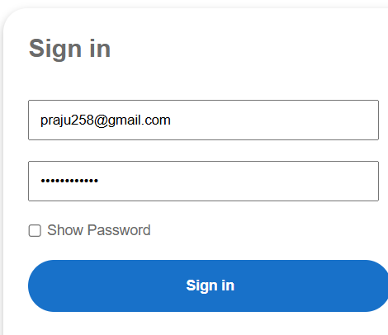
 |  |  | 1.Open the application in Chrome
Functional testing | BUG_002 | The "Submit" button is not functioning | 2.Enter valid details in all required fields | The button should have work | The button does not respond,
 |  |  | 3.Click the "Submit" button. |  | and the form remains on the | High | Major | Devloper
 |  |  | 4.Observe that nothing happens, and no |  | same page.
 |  |  | confirmation message appears.

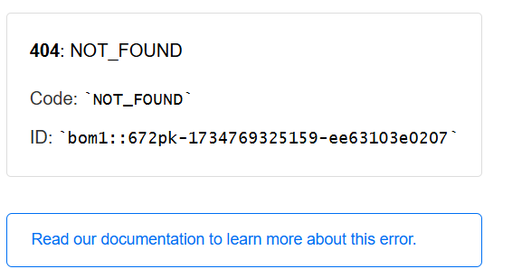

UX/UI Testing | BUG_003 | The "Reset Password" link not | 1.Open login page | The link should have work | The link does not respond,and | High | High | Devloper
 |  | functioning | 2.Click the "Reset Password" link |  | shown error massage
 |  |  | 3.Observe that the link is shown error
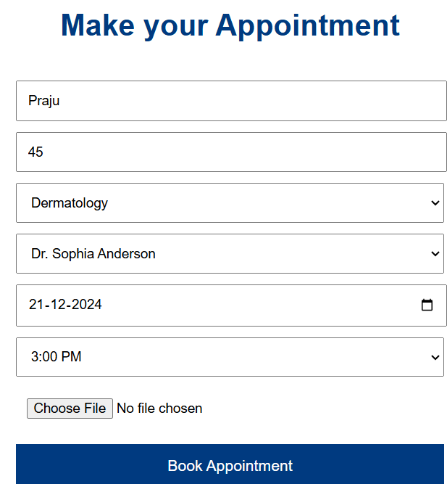

 |  |  | 1.Click the Book Appointment page |  | The button does not respond,
UX/UI Testing | BUG_004 | The "Book Appointment" button is | 2.Enter valid details in all required fields | The button should have work | and the form remains on the | High | High | Devloper
 |  | not functioning | 3.Click the "Book Appointment" button |  | same page.
 |  |  | 4.Observe that nothing happens, and no

UX/UI Testing | BUG_005 | 1.the Health Hub image not showing | 1.Click the Health Hub and Covid | Both image should have | Both image does not shown | Low | Low | Devloper
 |  | 2.Covid vaccine image not showing | vaccine image | shown

